Опис завдання
Загальні умови:
Дане тестове завдання містить 2 задачі. У кожній задачі важливо: - формалізувати бізнес-потребу, описавши задачу математично; - обґрунтувати вибір підходу до вирішення задачі; - розробити алгоритм пошуку оптимального рішення; - знайти рішення. Note: Результати виконання можуть бути представлені в будь-якому зручному вигляді: .ipynb-файл, GitHub репозиторій, Colab notebook тощо. Але обовʼязковою умовою є наявність можливості відтворити рішення

Задача 1
Є 14 базових станцій звʼязку. Кожна станція звʼязку представлена як точка в умовному 2-х вимірному просторі. У кожної станції є параметр радіусу покриття сигналом. Радіус покриття знаходиться у діапазоні від 1 до 2. У свою чергу простір, у якому ми працюємо, є обмеженим (10 на 10) та має ідеальну квадратну форму. Візуальне представлення початкового стану в задачі наведено на скриншоті нижче:
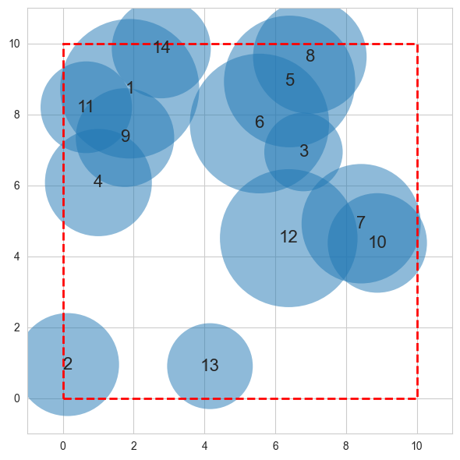

Всі кола на скриншоті пронумеровані. Номер - це ідентифікатор станції. Координати розташування центрів базових станцій та їх радіуси знаходяться на сторінці data_1.
Завдання - знайти спосіб оптимально розмістити всі базові станції у заданому просторі, переміщуючи їх. Важливо, що центр станції має знаходитись усередині заданого простору. Критерії оптимальності розміщення потрібно обґрунтувати.
Бонус: Якщо ви використовуєте ітераційний алгоритм для вирішення задачі - бонусом буде візуалізація кроків покращення розміщення станцій.

Задача 2
У магазині на робочій зміні працює 5 працівників, які можуть виконувати 3 робочі процеси: 1. Розміщення товару на торговій полиці ("placement"), 2. Переміщення товару між складами зберігання ("transfer"), 3. Збирання товару для доставки онлайн-замовлення ("collection").
На початку робочого дня у магазині генерується список завдань, які необхідно виконати протягом цього дня з відповідними товарами. Кожен працівник може мати не більше 3-х завдань на день.
Задача аналітичного департаменту - знайти спосіб оптимально розподілити роботу між 5-ма працівниками, враховуючи обмеження на максимальну кількість завдань на день. Критерії оптимальності розподілу потрібно обґрунтувати.
Згенерований список завдань наведений у таблиці праворуч -----------------------------------------------------> | item_id | process_name | worker_id
Дані з логами виконання аналогічних процесів працівниками в минулому надані на сторінці data_2. | 1 | placement | ?
 | 1 | collection | ?
 | 2 | collection | ?
 | 3 | transfer | ?
 | 3 | placement | ?
 | 3 | collection | ?
 | 4 | placement | ?
 | 5 | transfer | ?

